DASHBOARD
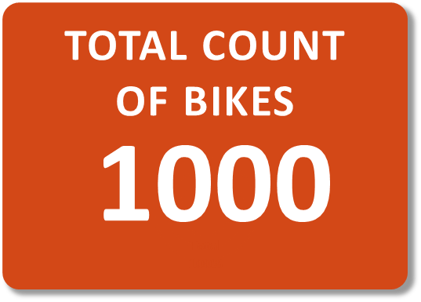
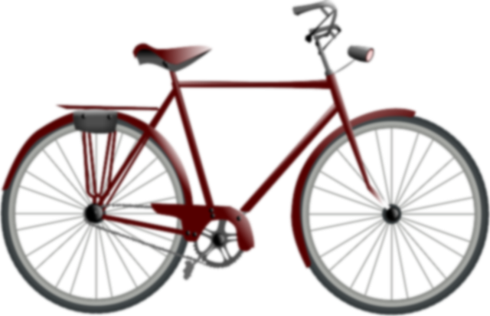
Occupation by Count of ID and Sum of Cars
 | Sum of Cars | Count of ID
Clerical | 145 | 177
Management | 372 | 173
Manual | 123 | 119
Professional | 471 | 276
Skilled Manual | 331 | 255
Count of Home Owners by Education and Occupation
 | Clerical | Management | Manual | Professional | Skilled Manual
Bachelors | 49 | 97 | 2 | 92 | 66
Graduate Degree | 24 | 59 | 6 | 45 | 40
High School | 4 | 12 | 44 | 55 | 64
Partial College | 76 | 5 | 36 | 80 | 68
Partial High School | 24 |  | 31 | 4 | 17
Miles by Purchased Bike Count
 | No | Yes
0-1 Miles | 166 | 200
1-2 Miles | 92 | 77
2-5 Miles | 67 | 95
5-10 Miles | 116 | 76
10+ Miles | 78 | 33
Age Range by Sum of Cars
 | Total
Middle Aged | 985
Old | 348
Young | 109
Home Owners by Count of Children
 | Total
No | 483
Yes | 1415
Region By purchased bike
 | Total
Europe | 300
North America | 508
Pacific | 192
Average Income by Region
 | Total
Europe | $40,900
North America | $62,756
Pacific | $63,594
No. of Cars by No. of Bikes Purchased
 | No | Yes
0 | 96 | 151
1 | 115 | 152
2 | 218 | 124
3 | 52 | 33
4 | 38 | 21
Total BIKES PURCHASED
 | Total
Yes | 481
BIKE PURCHASE ANALYSIS

